1. Title Page
[Instacart Grocery Basket Analysis]

Project Name: Instacart Grocery Basket Analysis
Date: October 2024
Analyst Name: Daniel Mueller

Contents:
Population Flow
Consistency checks
Wrangling steps
Column derivations
Visualizations
Recommendations

Data Source:
"The Instacart Grocery Shopping Dataset 2017", Accessed from https://www.instacart.com/datasets/grocery-shopping-2017 on November 10, 2022

Data Citation:
Customer data and the “prices” column in the products data set were fabricated for the purpose of this course.

2. Population Flow
Title page

Population flow

Exclusion flag
Condition: max_order <
Obervations to be removed: 144025
Final total count of order_products_all: 30964564

Orders_products_combined
Orders_products_merged
Orders_products_all

Total: 32404859
Total: 32434489
Total: 32404859

1.) The grey boxes in the first row of the population flow represent the original data sets as they were when you downloaded them. In the Total fields you need to add the count of the rows when you imported the data set into Jupyter.
2.) The second row of boxes (coloured) represents the data sets after you manipulated them, e.g., removed missing values and duplicates. In the Total fields you need to add the count of the rows after conducting these operations. This offers a visual oveview of how the data flows throughout the data consistency checks.
3.) The third row, where also the arrows are coloured, represents the merges you performed between the datasets. In the Total fields you need to add the count of the rows in the merged datasets, so that you end up with the final dataset (in the red box). Keep in mind the final dataset should be without exclusions (based on the exclusion flag).

3. Consistency checks
 |  |  |  |  |  |  |  | Title page
Consistency checks

Dataset | Missing values | Missing values treatment | Duplicates | Crosstab: Region |  |  |  |  | Crosstab: Department |  |  |  |  |  |  |  |  |  |  |  |  |  | Crosstab: Age Profile |  |  |  |  | Crosstab: Income |  |  |  |  | Crosstab: Time
orders | days_since_last_order (206209) | Replaced with the 0 | No duplicated found
products | product_name (16) | Created a new data frame | 5 = removed | age_profile | Midwest | Northeast | South | West | department | Midwest | Northeast | South | West | department | low income | middle income | upper income | department | divorced/widowed | living with parents and siblings | married | single | age_profile | Frequent customer | Non-frequent customer | Regular customer |  | income_range | High spender | Low spender |  |  | hour_group | Loyal customer | New customer | Regular customer
 |  |  |  | adult | 1693049 | 1273976 | 2460039 | 1856851 | alcohol | 34043 | 25017 | 48813 | 36754 | alcohol | 18047 | 32061 | 94519 | alcohol | 11859 | 8379 | 99421 | 24968 | adult | 5196742 | 514576 | 1572597 |  | low income | 2026 | 3360528 |  |  | Morning | 3826237 | 1454906 | 5234846
 |  |  |  | elderly | 1799606 | 1394490 | 2549034 | 1987704 | babies | 95741 | 72712 | 139511 | 102428 | babies | 29240 | 101958 | 279194 | babies | 34351 | 19381 | 287683 | 68977 | elderly | 5555730 | 541997 | 1633107 |  | middle income | 31025 | 7598341 |  |  | Afternoon | 4020166 | 2032422 | 6500033
 |  |  |  | old adult | 2870703 | 2116310 | 3987077 | 3111207 | bakery | 261753 | 199300 | 371620 | 288155 | bakery | 106757 | 274591 | 739480 | bakery | 95735 | 53684 | 785749 | 185660 | old adult | 8672433 | 859843 | 2553021 |  | upper income | 570374 | 19402270 |  |  | Evening | 1703500 | 966235 | 2988581
 |  |  |  | young adult | 898155 | 679909 | 1314989 | 971465 | beverages | 598979 | 462929 | 859419 | 650574 | beverages | 383121 | 612224 | 1576556 | beverages | 220879 | 119107 | 1807453 | 424462 | young adult | 2783989 | 271001 | 809528 |  |  |  |  |  |  | Night | 734190 | 350132 | 1153316
 |  |  |  |  |  |  |  |  | breakfast | 156155 | 117904 | 223172 | 173619 | breakfast | 91408 | 163800 | 415642 | breakfast | 56590 | 33198 | 471220 | 109842
 |  |  |  | income_range | Midwest | Northeast | South | West | bulk | 7929 | 5599 | 11180 | 8743 | bulk | 4676 | 8443 | 20332 | bulk | 2676 | 1633 | 23818 | 5324 |  |  |  |  |  | income_range | High spender | Low spender
 |  |  |  | low income | 783764 | 587137 | 1142572 | 849081 | canned goods | 237459 | 176936 | 337458 | 260221 | canned goods | 78975 | 252544 | 680555 | canned goods | 84268 | 48477 | 712577 | 166752 | age_profile | low income | middle income | upper income |  | low income | 0.06025182049120996 | 999397481795088
 |  |  |  | middle income | 1761179 | 1320026 | 2559723 | 1988438 | dairy eggs | 1212490 | 914616 | 1723016 | 1327060 | dairy eggs | 502363 | 1281753 | 3393066 | dairy eggs | 442602 | 250207 | 3632599 | 851774 | adult | 1119794 | 3882477 | 2281644 |  | middle income | 0.40665240073683706 | 9.9593347599E+15
 |  |  |  | upper income | 4716570 | 3557522 | 6608844 | 5089708 | deli | 234464 | 178398 | 333620 | 257352 | deli | 106448 | 247792 | 649594 | deli | 86749 | 48119 | 702333 | 166633 | elderly | 637365 | 674962 | 6418507 |  | upper income | 2.8557761306E+15 | 9.7144223869E+15
 |  |  |  |  |  |  |  |  | dry goods pasta | 193463 | 143817 | 272813 | 212043 | dry goods pasta | 64481 | 205584 | 552071 | dry goods pasta | 70251 | 39542 | 578298 | 134045 | old adult | 1006126 | 1037818 | 10041353
 |  |  |  | fam_status | Midwest | Northeast | South | West | frozen | 498225 | 370436 | 709906 | 543164 | frozen | 215177 | 519721 | 1386833 | frozen | 183957 | 102993 | 1489390 | 345391 | young adult | 599269 | 2034109 | 1231140
 |  |  |  | divorced/widowed | 617198 | 478767 | 877314 | 671992 | household | 166992 | 124604 | 230061 | 178200 | household | 87216 | 166755 | 445886 | household | 58446 | 33349 | 495150 | 112912
 |  |  |  | living with parents and siblings | 351435 | 256430 | 505457 | 367850 | international | 60666 | 44678 | 84649 | 65998 | international | 21636 | 64164 | 170191 | international | 21814 | 12394 | 179136 | 42647 |  |  |  |  |  | income_range | big household | middle household | single household
 |  |  |  | married | 5087262 | 3853773 | 7223749 | 5578927 | meat seafood | 158260 | 118571 | 224120 | 173830 | meat seafood | 34278 | 169144 | 471359 | meat seafood | 57621 | 32344 | 476559 | 108257 | age_profile | divorced/widowed | living with parents and siblings | married | single | low income | 839173 | 1676461 | 846920
 |  |  |  | single | 1205618 | 875715 | 1704619 | 1308458 | missing | 15563 | 11512 | 21787 | 15906 | missing | 6547 | 16669 | 41552 | missing | 5064 | 3317 | 45516 | 10871 | adult | 0 | 0 | 5456883 | 1827032 | middle income | 1933617 | 3804163 | 1891586
 |  |  |  |  |  |  |  |  | other | 7983 | 6268 | 11579 | 8581 | other | 3886 | 8290 | 22235 | other | 2842 | 1815 | 23882 | 5872 | elderly | 1905721 | 0 | 5825113 | 0 | upper income | 4999726 | 9971743 | 5001175
 |  |  |  | household | Midwest | Northeast | South | West | pantry | 420334 | 312731 | 591754 | 457886 | pantry | 166061 | 440481 | 1176163 | pantry | 151891 | 85845 | 1252956 | 292013 | old adult | 739550 | 0 | 9031596 | 2314151
 |  |  |  | big household | 1787286 | 1381233 | 2585864 | 2018133 | personal care | 100398 | 74765 | 142496 | 106647 | personal care | 47782 | 104819 | 271705 | personal care | 36313 | 20201 | 297900 | 69892 | young adult | 0 | 1481172 | 1430119 | 953227
 |  |  |  | middle household | 3651411 | 2728970 | 5143342 | 3928644 | pets | 21358 | 17734 | 29909 | 24059 | pets | 8612 | 22263 | 62185 | pets | 8025 | 5338 | 64120 | 15577
 |  |  |  | single household | 1822816 | 1354482 | 2581933 | 1980450 | produce | 2134115 | 1593004 | 3027476 | 2324678 | produce | 826314 | 2278270 | 5974689 | produce | 777094 | 430539 | 6373293 | 1498347 |  |  |  |  |  | income_range | divorced/widowed | living with parents and siblings | married | single
 |  |  |  | region | High spender | Low spender |  |  | snacks | 645143 | 493154 | 916780 | 711329 | snacks | 559529 | 658040 | 1548837 | snacks | 236244 | 131310 | 1944658 | 454194 | age_profile | big household | middle household | single household |  | low income | 210710 | 220542 | 2295092 | 636210
 |  |  |  | Midwest | 155975 | 7441350 |  |  |  |  |  |  |  |  |  |  |  |  |  |  |  |  | adult | 1813284 | 3643599 | 1827032 |  | middle income | 228166 | 789966 | 4947814 | 1663420
 |  |  |  | Northeast | 108225 | 5614511 |  |  |  |  |  |  |  |  |  |  |  |  |  |  |  |  | elderly | 1941778 | 3883335 | 1905721 |  | upper income | 2206395 | 470664 | 14500805 | 2794780
 |  |  |  | South | 209691 | 10582194 |  |  | department | adult | elderly | old adult | young adult | department | big household | middle household | single household |  |  |  |  |  | old adult | 3039991 | 5991605 | 3053701
 |  |  |  | West | 160354 | 8132559 |  |  | alcohol | 34623 | 34691 | 56125 | 19188 | alcohol | 37333 | 70467 | 36827 |  |  |  |  |  | young adult | 977463 | 1933828 | 953227
 |  |  |  |  |  |  |  |  | babies | 96430 | 100162 | 162566 | 51234 | babies | 102585 | 204479 | 103328 |  |  |  |  |  |  |  |  |  |  | income_range | Frequent customer | Non-frequent customer | Regular customer
 |  |  |  | hour_group | Midwest | Northeast | South | West | bakery | 262625 | 278458 | 439872 | 139873 | bakery | 279822 | 559611 | 281395 |  |  |  |  |  |  |  |  |  |  | low income | 2312595 | 291060 | 758899
 |  |  |  | Morning | 2458947 | 1851673 | 3518451 | 2686918 | beverages | 597066 | 646414 | 1010078 | 318343 | beverages | 640927 | 1285633 | 645341 |  |  |  |  |  |  |  |  |  |  | middle income | 5508679 | 536351 | 1584336
 |  |  |  | Afternoon | 2936875 | 2219998 | 4161531 | 3234217 | breakfast | 156557 | 165491 | 263325 | 85477 | breakfast | 167322 | 337096 | 166432 |  |  |  |  |  |  |  |  |  |  | upper income | 14387620 | 1360006 | 4225018
 |  |  |  | Evening | 1338147 | 990994 | 1885658 | 1443517 | bulk | 7797 | 8336 | 13012 | 4306 | bulk | 8403 | 17048 | 8000
 |  |  |  | Night | 527544 | 402020 | 745499 | 562575 | canned goods | 239510 | 251940 | 394312 | 126312 | canned goods | 255325 | 505729 | 251020
 |  |  |  |  |  |  |  |  | dairy eggs | 1224854 | 1291039 | 2013796 | 647493 | dairy eggs | 1296264 | 2586542 | 1294376
 |  |  |  |  |  |  |  |  | deli | 236817 | 250463 | 391999 | 124555 | deli | 252592 | 497860 | 253382
 |  |  |  |  |  |  |  |  | dry goods pasta | 192001 | 205473 | 320464 | 104198 | dry goods pasta | 208412 | 409428 | 204296
 |  |  |  |  |  |  |  |  | frozen | 494319 | 532530 | 828992 | 265890 | frozen | 532408 | 1059975 | 529348
 |  |  |  |  |  |  |  |  | household | 163651 | 176427 | 272965 | 86814 | household | 176284 | 352215 | 171358
 |  |  |  |  |  |  |  |  | international | 60821 | 63227 | 99569 | 32374 | international | 63473 | 128057 | 64461
 |  |  |  |  |  |  |  |  | meat seafood | 156608 | 170773 | 262820 | 84580 | meat seafood | 171423 | 337480 | 165878
 |  |  |  |  |  |  |  |  | missing | 15187 | 15905 | 25293 | 8383 | missing | 16435 | 32398 | 15935
 |  |  |  |  |  |  |  |  | other | 8149 | 8350 | 13456 | 4456 | other | 8377 | 17320 | 8714
 |  |  |  |  |  |  |  |  | pantry | 416917 | 445174 | 698528 | 222086 | pantry | 446156 | 892645 | 443904
 |  |  |  |  |  |  |  |  | personal care | 99108 | 104671 | 167531 | 52996 | personal care | 106315 | 211786 | 106205
 |  |  |  |  |  |  |  |  | pets | 20954 | 23751 | 35737 | 12618 | pets | 23142 | 46316 | 23602
 |  |  |  |  |  |  |  |  | produce | 2144520 | 2269085 | 3537942 | 1127726 | produce | 2287719 | 4516113 | 2275441
 |  |  |  |  |  |  |  |  | snacks | 655401 | 688474 | 1076915 | 345616 | snacks | 691799 | 1384169 | 690438

4. Wrangling steps
 |  |  |  | Title page
Wrangling steps

Columns dropped | Columns renamed | Columns' type changed | Comment/Reason
Orders data set
eval_set |  |  | This column is not needed for the analysis
 | order_dow --> oders_dat_of_the_week |  | This column name is more intuitive
 |  | order_id --> str | This column is not necessary important for descriptive analysis
 |  | order_number --> | This column is not necessary important for descriptive analysis
 | days_since_prior_order --> days_since_last_order |  | This column name is more intuitive
Customer data set
n_dependants |  |  | This column is not needed for the analysis
 | First_name --> first_name |  | Keep the names in the same foramt across the data sets ensures a higher readability when reading the scripts especially after mergeing the data sets
 | Surnam --> last_name
 | Gender --> gender
 | STATE --> state
 | Age --> age
 |  | date_joined --> pd.to_datetime | Converting the data type for accuracy
 |  | first name --> str | Converting the data type for accuracy
Instcart final version data set
first name |  |  | PPI data
last_name |  |  | PPI data
merge_indicator |  |  | not necessary
merge |  |  | not necessary
execution_flag |  |  | not necessary
suitable_goods |  |  | not necessary

5. Column derivations
 |  |  |  |  |  |  | Title page

Column derivations and aggregations

Dataset | New column | Column/s it was derived from | Conditions
ords_prods_merge | Busiest_day | orders_day_of_the_week | 0 (Saturday) = busiest day 4 (Wednesday) = least busy any other day of the week = regularly busy
 | Busiest_day_update | orders_day_of_the_week | 0 or 1 (Saturday or Sunday) = busiest days 3 or 4 (Tuesday or Wednesday) = slowest days any other day of the week = regular days
 | Busiest_hours_of_the_day | order_hour_of_day | 10 (10:00 am) = most orders 3 (3:00 am) = fewest orders any other hour of the day = average orders
 |  |  |  | Frequency: Busiest_day |  | Frequency: busiest_day_update |  | Frequency: busiest_hours_of_the_day |  | Frequency: loyalty_flag |  | Frequency: spending_flag |  | Frequency: frequency_flag
orders_products_merge_new | max_order | order_number | This gets the maximum frequency of orders ('order_number') grouped by customer ('user_id'). | Regularly busy | 22416875 | Regular days | 12916111 | Most orders | 21118071 | Regular customer | 15876776 | Low spender | 31770614 | Regular customer | 6921472
 | loyalty_flag | max_order | Loyal customer: if max_order is >40 Regular customer'if max_order is <=40 and >10 New customer: if max_order is <=10 | Bussiest day | 6204182 | Busiest days | 11864412 | Average orders | 9997651 | Loyal customer | 10284093 | High spender | 634245 | Non-frequent customer | 2686728
 | price_range_loc | prices | Low_range product: prices if price is <=5 Mid_range product: price is >5 and <=15 High_range product:if price is >15 | Least busy | 3783802 | Slowest days | 7624336 | Fewest orders | 1289137 | New customer | 6243990 |  |  | Frequent customer | 1305756
 |  |  |  |  |  |  |  |  |  |  |  | Total | 32404859
 | spending_flag | average_prices | Low spender: If avg_purchase_price <10 High spender: If avg_purchase_price >=10 | Total | 32404859 | Total | 32404859 | Total | 32404859 | Total | 32404859 |  |  | Total | 10913956

 | median_days_since_last_order | days_since_last_order | This gets the median 'days_since_prior_order' and groups by 'user_id'
 | frequency_flag | median_days_since_last_order | Non-frequent customer: If median_days >20 Regular customer'If median_days >10 and <=20 Frequent customer: If median_days <=10 | Region |  | Age Profile |  | Income Range |  | Household
 |  |  |  | South | 10791885 | young adult | 3864518 | low income | 3362554 | single (0) | 7739681
instacart final version | region | state | Northeast_states = ['Maine', 'New Hampshire', 'Vermont', 'Massachusetts', 'Rhode Island', 'Connecticut', 'New York', 'Pennsylvania', 'New Jersey'] Midwest_states = ['Wisconsin', 'Michigan', 'Illinois', 'Indiana', 'Ohio', 'North Dakota', 'South Dakota', 'Nebraska', 'Kansas', 'Minnesota', 'Iowa', 'Missouri'] Southern_states = ['Delaware', 'Maryland', 'District of Columbia', 'Virginia', 'West Virginia', 'North Carolina', 'South Carolina', 'Georgia', 'Florida', 'Kentucky', 'Tennessee', 'Mississippi', 'Alabama', 'Oklahoma', 'Texas', 'Arkansas', 'Louisiana'] Western_states = ['Idaho', 'Montana', 'Wyoming', 'Nevada', 'Utah', 'Colorado', 'Arizona', 'New Mexico', 'Alaska','Washington', 'Oregon', 'California', 'Hawaii'] | West | 8292913 | adult | 7283915 | middle income | 7629366 | middle household (1-2) | 15452367
 | age_profile | age | Young adult: 18 -25 years Adult: 25 -40 years Old Adult: 40 - 65 years Eldery: >65 years | Midwest | 7597325 | old adult | 12085297 | upper income | 19972644 | big household (>3) | 7772516
 | income_range | income | Low Income: <50.000 Middle Income: 50.00 _ 79.999 High income: >80.000 | Northeast | 5722736 | elderly | 7283915
 | household | dependents | Single: 0 Dependents Middle: 1-2 Dependents Big > dependents |  |  |  |  | Total | 30964564 | Total | 30964564
 |  |  |  | Total | 32404859 | Total | 30517645
 | hour_group | order_hour_of_day | HOURS DEFINTION 5am - 11 am: ("Morning") 12 am - 4 pm: ("Afternoon") 5 pm - 8 pm: ("Evening") 9 pm - 3 am: ("Night")
 | department_new | department | Food & Groceries: Frozen Bakery Produce Meat & Seafood Dairy & Eggs Pantry Canned Goods Breakfast Snacks Deli Dry Goods Pasta Bulk Beverages & Alcohol: Beverages Alcohol Household & Personal Care: Personal Care Household Specialty & International: International Other Baby & Pets: Babies Pets Missing/Uncategorized: Missing
 | weekdays | orders_day_of_the_week | DAYS DEFINTION 0 = Sunday 1 = Monday 2 = Tuesday 3 = Wednesday 4 = Thursday 5 = Friday 6 = Saturday

df_customer_profile | total_order_prices | user_id,price, order_number,loyalty_flag,spender_type,region,age_group,income_group,dependents_flag,days_since_prior_order | This gets the sum of all prices, grouped by user_id, order_number, loyalty_flag, spender_type, region,age_group, marital_status, income_group, dependents_flag, days_since_prior_order

6. Visualizations
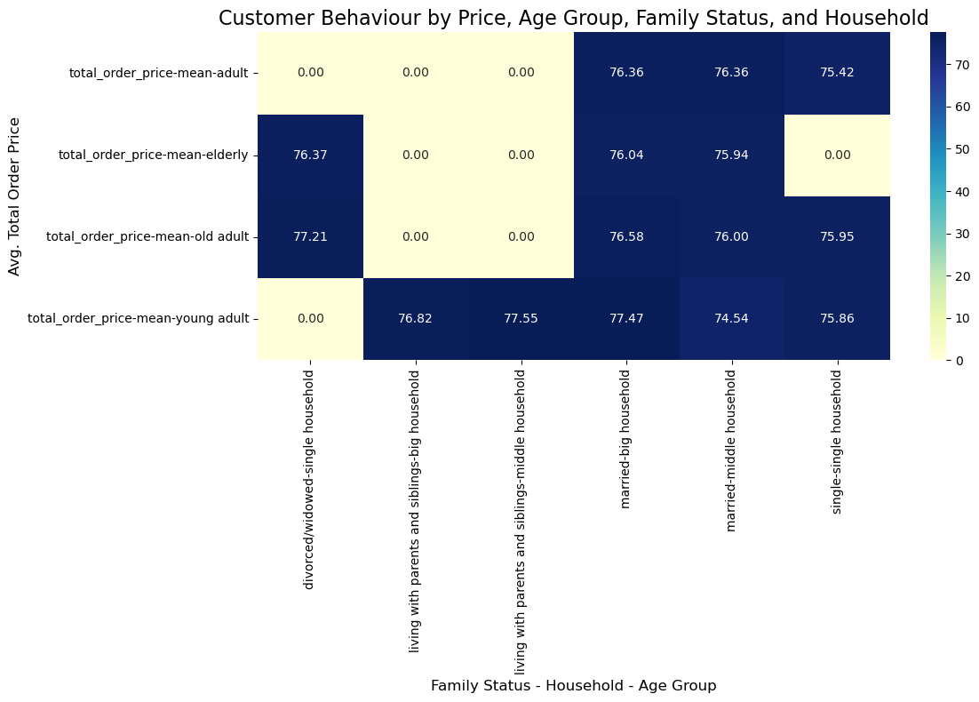
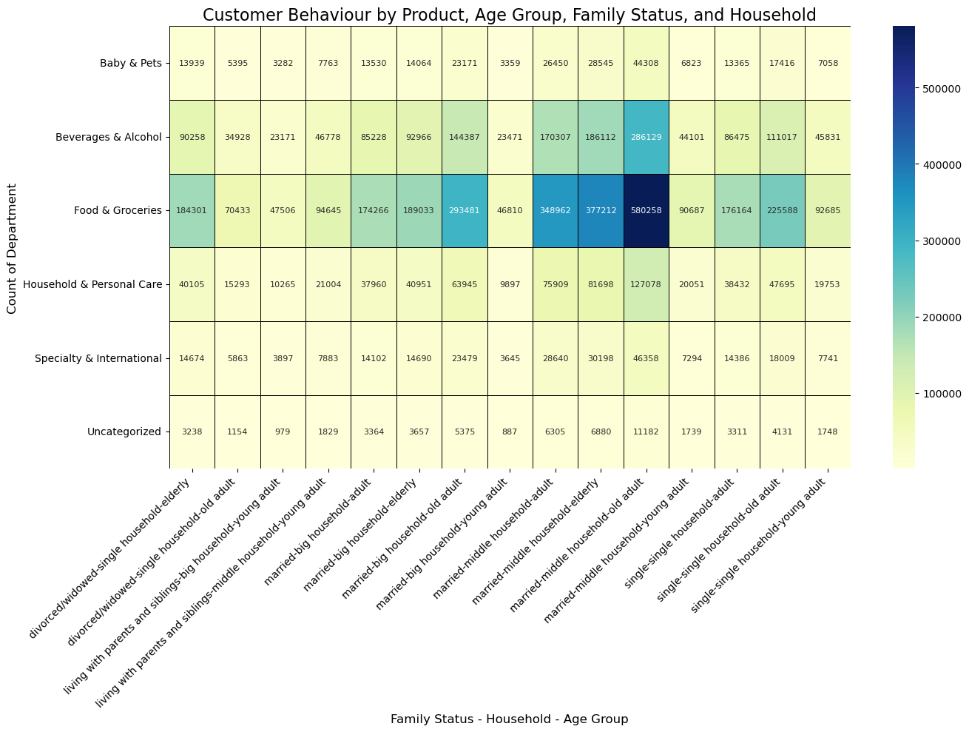
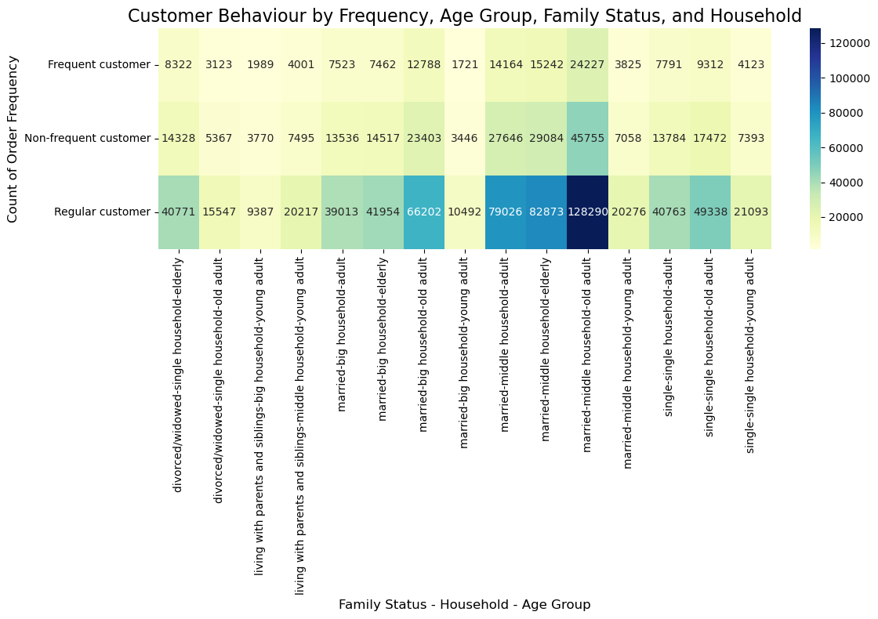
 |  |  |  |  |  |  |  |  |  |  |  |  | Title page

Visualisations

 | Defintion of flags / groups / ranges

 | Product range |  |  |  | Loyalty |  |  |  | Spender |  |  | Frequency |  |  |  | Income |  |  |  | age groups |  |  |  |  | Household
 |  | Low-range | Middle-range | High-range |  | New | Regular | Loyal |  | Low | High |  | Non | Regular | Frequent |  | Low | Middle | Upper |  | young adult | adult | older adult | elderly |  | single | middle | big
 | Prices | <= 5 | 5 - 15 | > 15 | Max Order | <= 10 | 10 - 40 | > 40 | avg. price | < 10 | >= 10 | Days since last order | > 20 | 20 - 10 | >= 10 | Income | <= 50.000 | 50.000 - 79.999 | > 80.000 | Age | 18-25 | 25-40 | 40-65 | > 65 | No. dependents | 0 | 1-2 | >3

1. What are the busiest days of the week and hours of the day?

 | The busiest hours throughout the day starting around 10 am and last until around 4 pm |  |  |  |  |  |  |  | The busiest days of the week are Sunday and Monday, following a decline of orders until Friday.
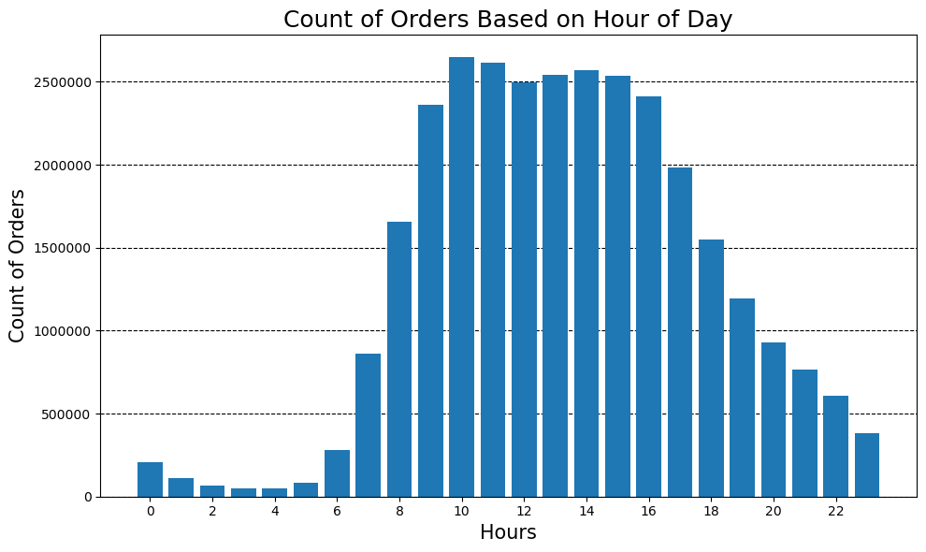
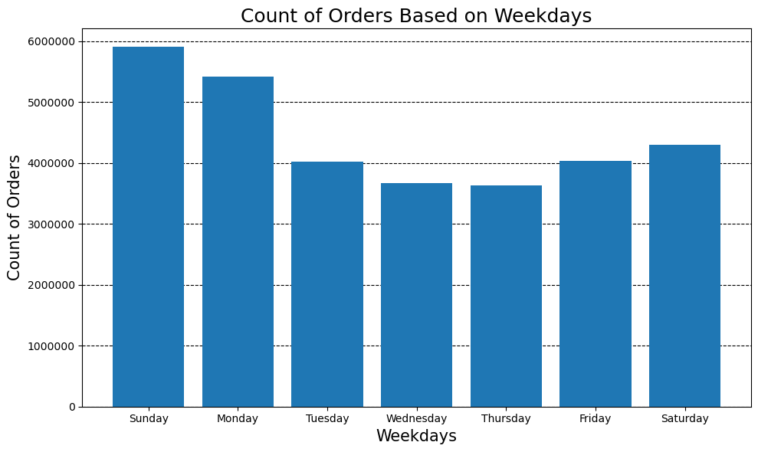

2. What are particular times when people spend their money?

 |  | The busiest hours throughout the day starting around 10 am and last until around 4 pm

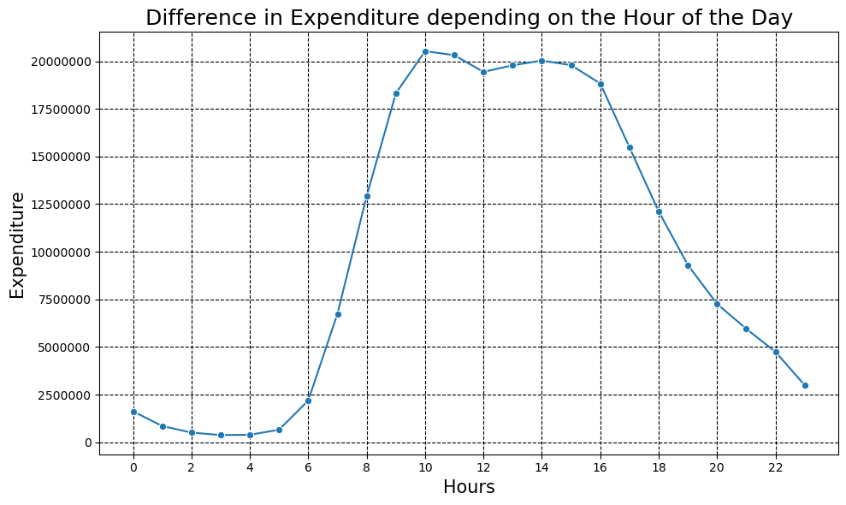

3. What are the most popular products?

 | The most popular products are in departments of produce (33%), dairy eggs (18%) and snacks (10%)
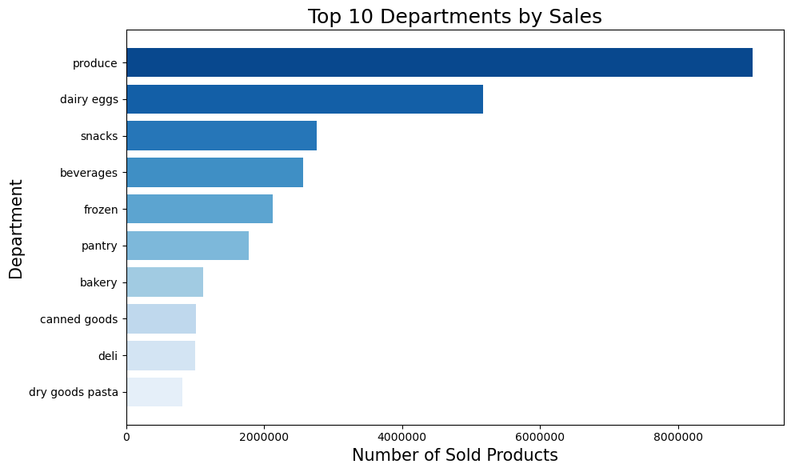
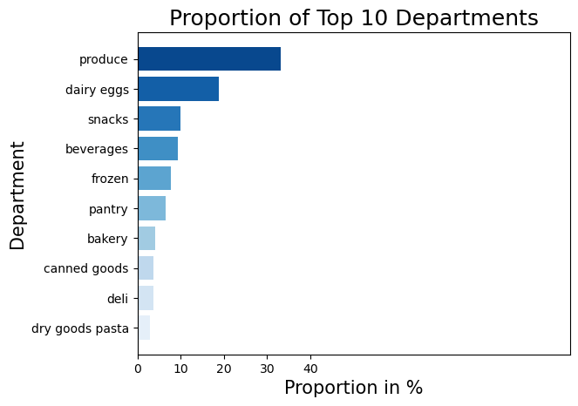
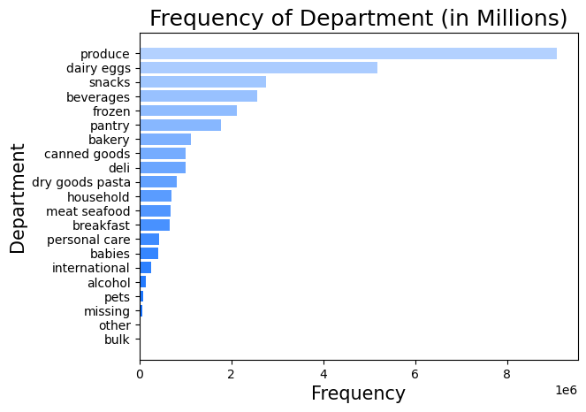
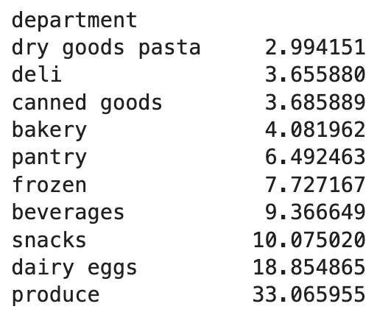

4. What is the distribution among users in regards to their brand loyalty?

 |  |  | Loyal customer usually return after 8 days, whereas new customers (17 days) and regular customers (14 days) need almost twise as long.

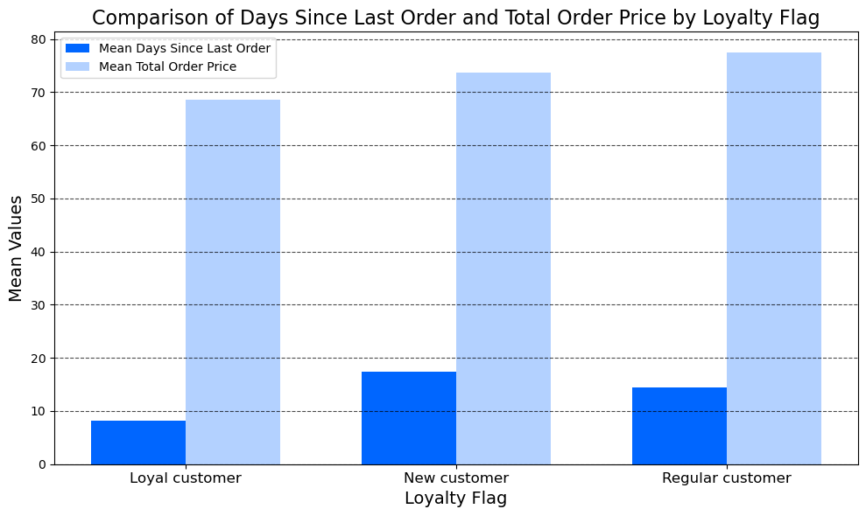
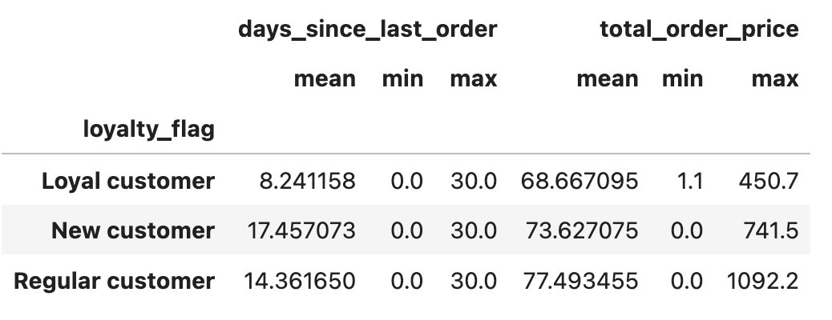

5. Are there differences in ordering habits based on a customers loyalty status?

 | The pattern when customers order at instacart are similar, but the amount of orders are different. Regular customers are ordering the most during the day. |  |  |  |  |  |  |  |  |  | Regular customers account the most orders in all three product ranges. Loyal customers place the second most orders. Mid range products seem the most popular across the customers. Looking closely indicates that there is a difference between count of order and loyal status (Regular = most, Loyaly = second most) |  |  |  |  |  |  |  |  | Regular customers spend the most on average when purchasing at instcart

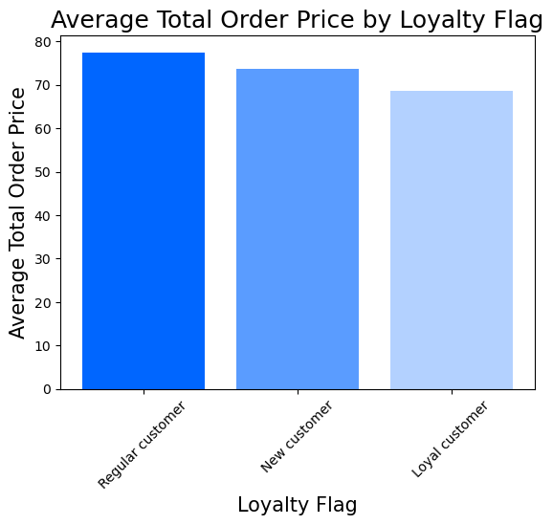
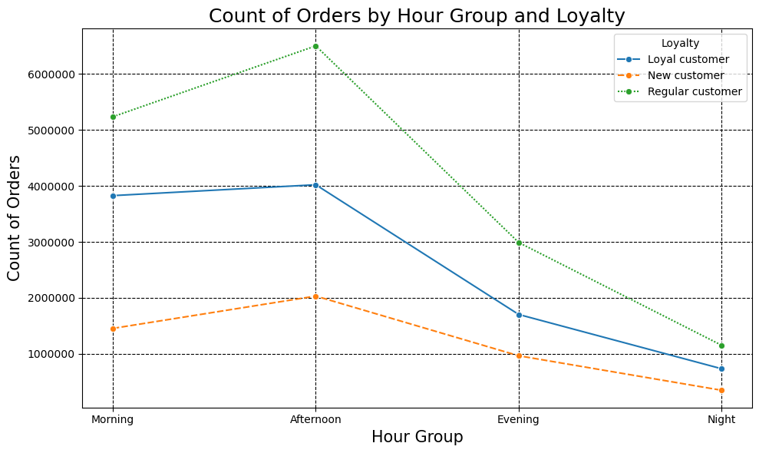
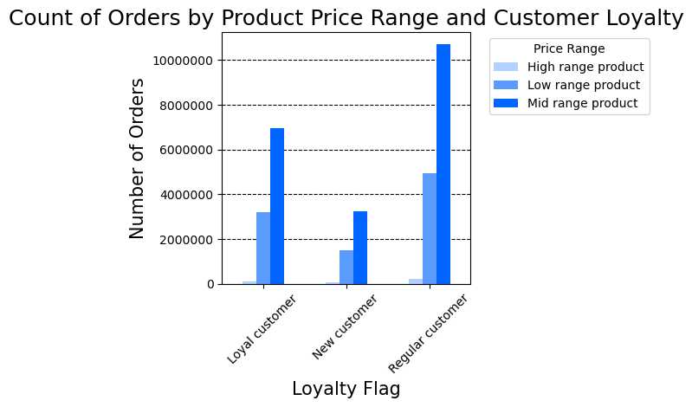
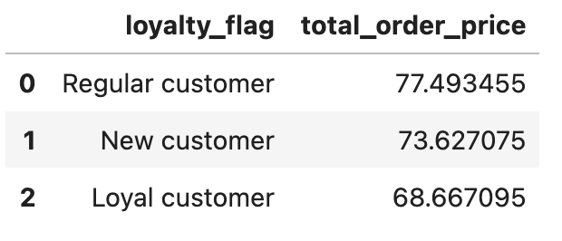

6. Are there differences in ordering habits based on a customers region?

 | The pattern when customers order at instacart are similar, but the amount of orders are different. Customers based in the southern Regions are place the most orders, espically during the afternoon hours 12pm to 4pm. |  |  |  |  |  |  |  |  |  | The southern Region are ordering the most products in all product ranges. All regions are ordering mid range products the most. |  |  |  |  |  |  |  |  | The average total order is pretty much identical, even so the south and midwest spend slightly more.

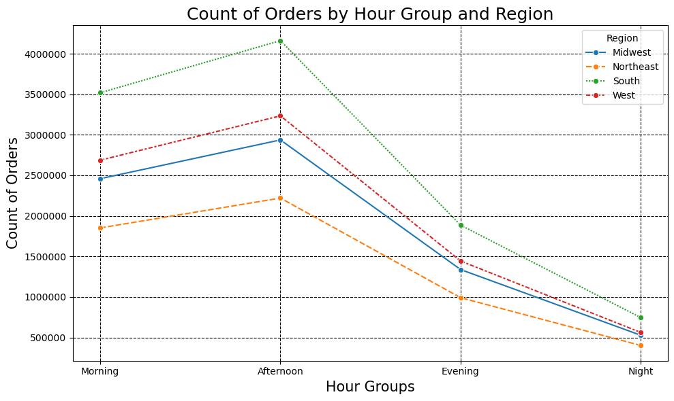
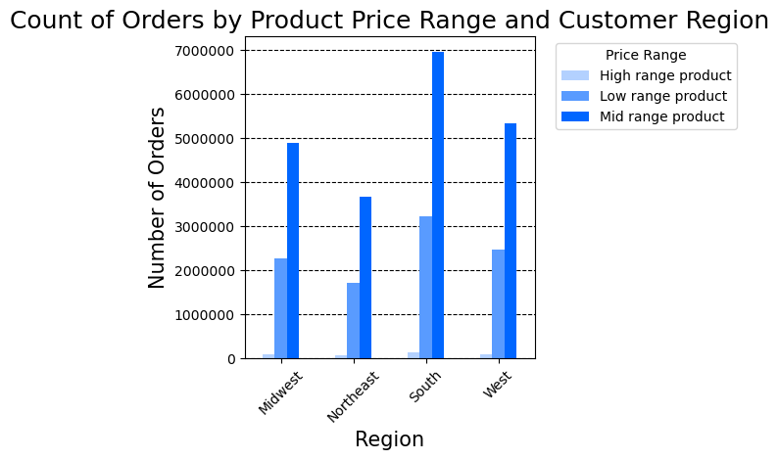
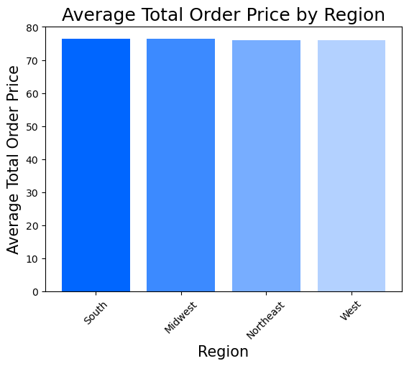
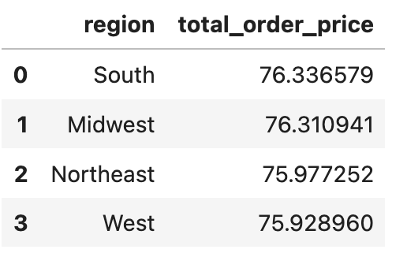

7. Is there a connection between age and family status in terms of ordering habits?

 | The graphs show a connection between age and family status due to the similar values within avg. spending and avg. frequency among family status groups and age groups

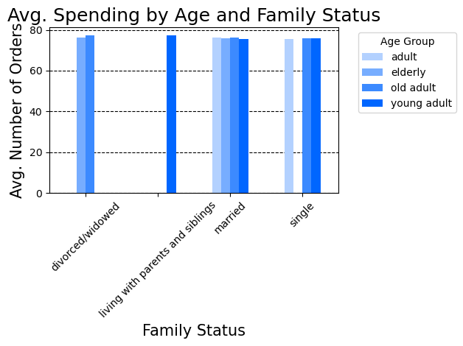
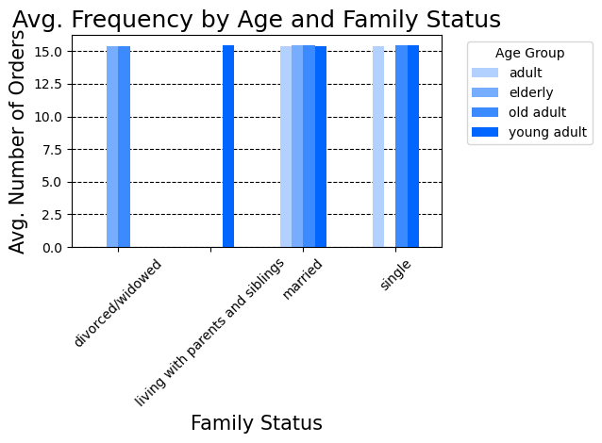

8. What different classifications does the demographic information suggest?

The graph reveals that married customers are represented the most
in all age groups. Customers who are single can be found in adult, old adult, young adults. But the eledery customers are either married or divorced/widowed. Customers of the adult group are not divored/widowed, they are single or married. Young adults, are the only group living with parents and siblings.
Customers in the upper income range are the most frequent within the old adult group. Which can due the longer experience on the job market, which gurantees a higher paid job. That reflects in the eldery age group, where still the most customers live from an upper income, as well as, in the adult groups where the middle income is the highest which may turn to a upper income entering the old adult group.
Age Group Classification
Looking at the graph shows that most customers in all age groups are buying on a frequent base at instacart. Followed by regular and non-frequent customers.
Old adults(39%) have the highest share of all customers at instachart. Followed by eldery customers with a share of 25%
The southern regions account the highest customers within the old adult age group with the highest spending capacity. The northwast has the weakest spending capacity.
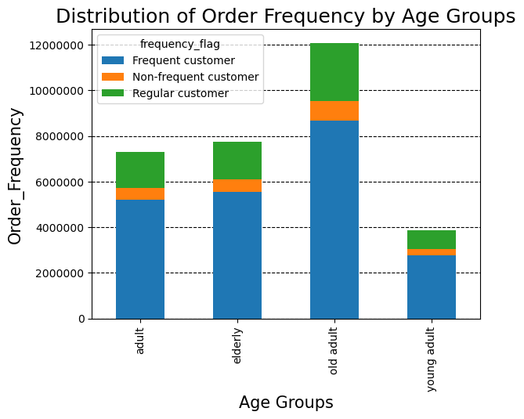

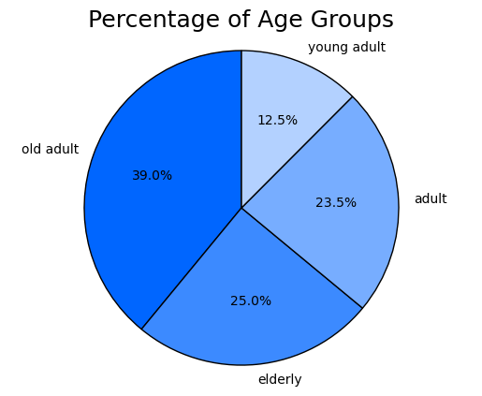
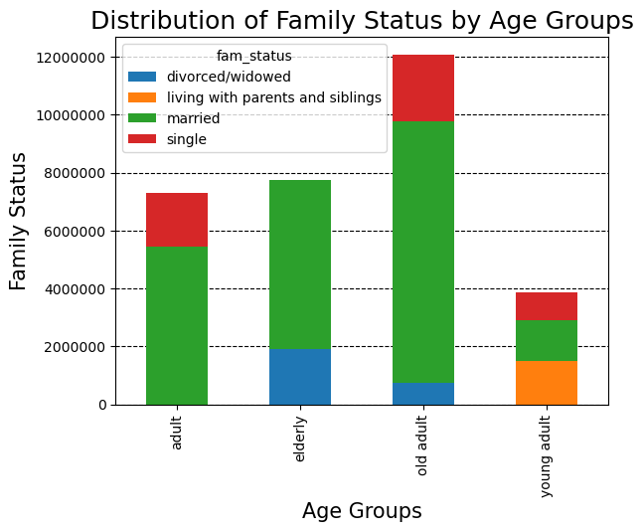
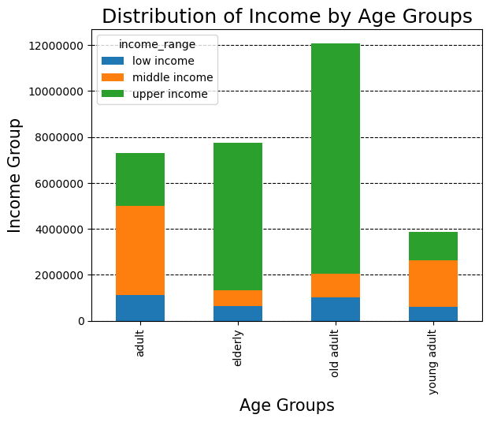

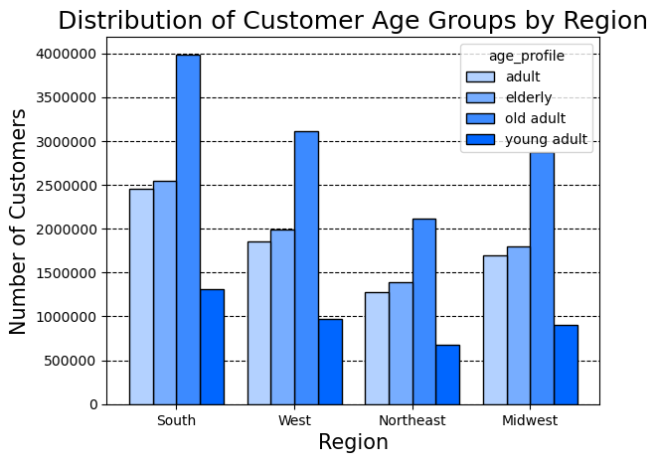

Income Classification

upper income (64.5%) have the highest share of all customers at instachart. Followed by middle income customers with a share of 24.6% and low income customers 10.9%
.
Customers wihtin the upper income range are mostly married, but all the different family groups are represented in the upper income range. The same goes for middle income and low income classes where all family groups are counted.
.
Frequent customers have the highest share within all income groups. Followed by regular and non-frequent customers. Especially looking at the upper income bar assumes that upper income customers come back and purchase high range products.
.
Customers with a higher salary are residing in a middle household (1-2 dependents). Bid household (>3 dependents) and single household are equally represented in the upper income class. The pattern is the same for middle and low income classes.
.
Looking at this graph shows a similar pattern like the graph in the age group classification section. The southern Region has the most people within an upper income range, because it accounts the most old adult customers. Instacart customers fall the most in the upper income range across all regions, which reveals there is high spending power overall
.

Interessting to see that the most customers are low spender (in total ca. 96.7%) even so they have a hight spending power. There is just a few people (in total: ca. 3.3%) across all income classes) representing the high spender range.

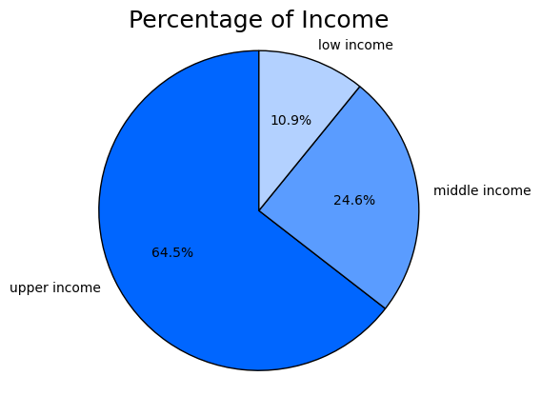
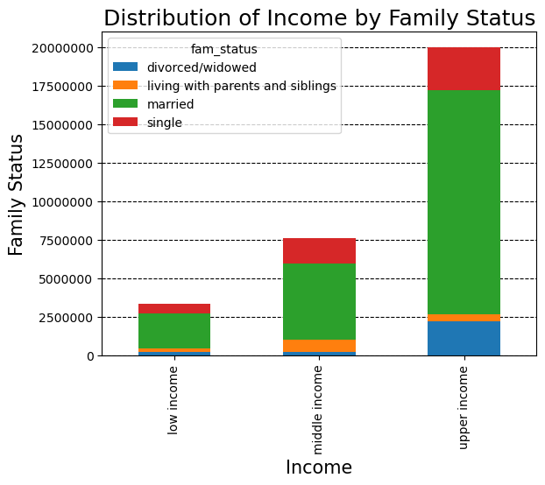
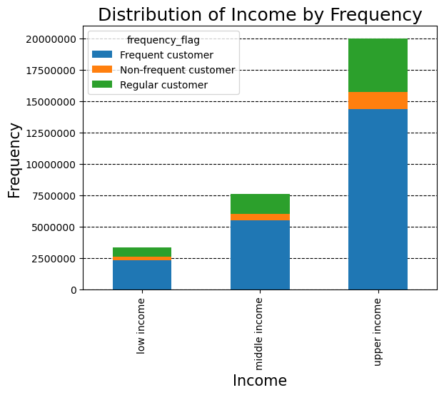
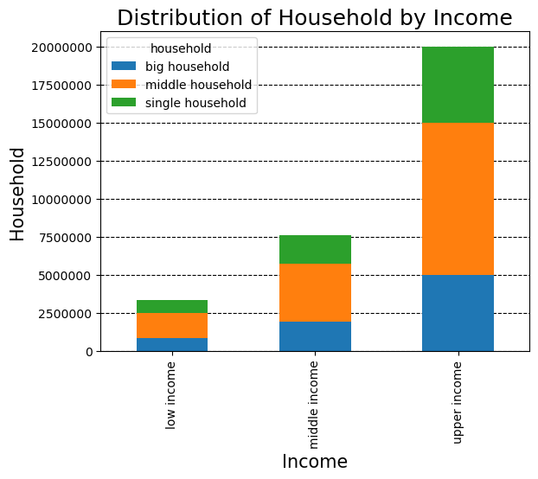

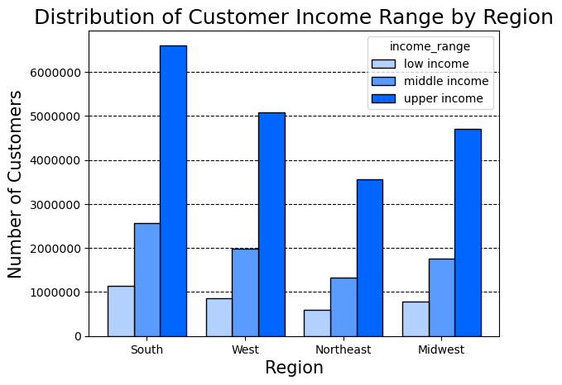
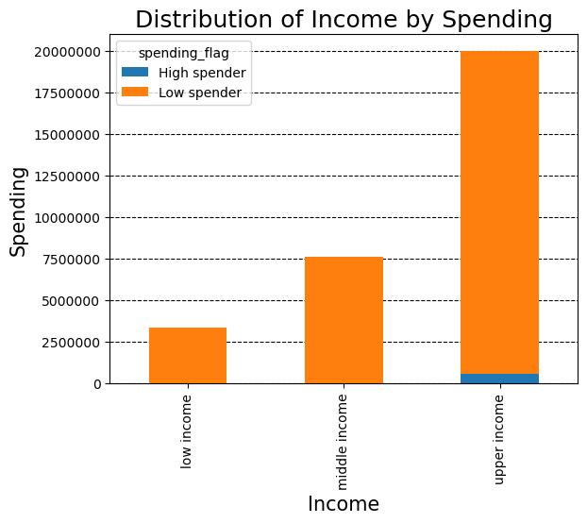

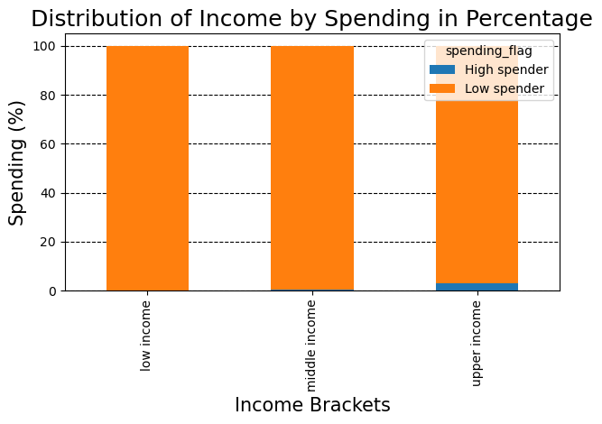

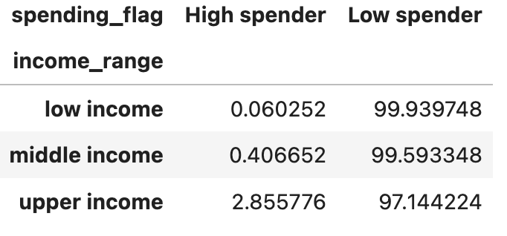

Department Classification

Looking at the graph in this classification reveals that there is no difference in departments amongst region, household, age and income

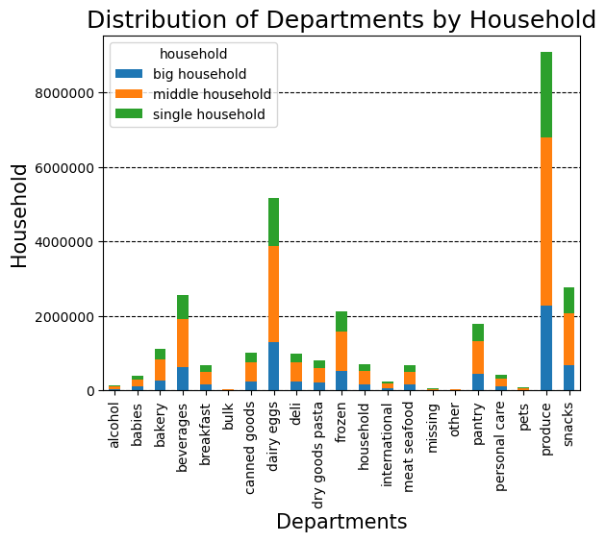
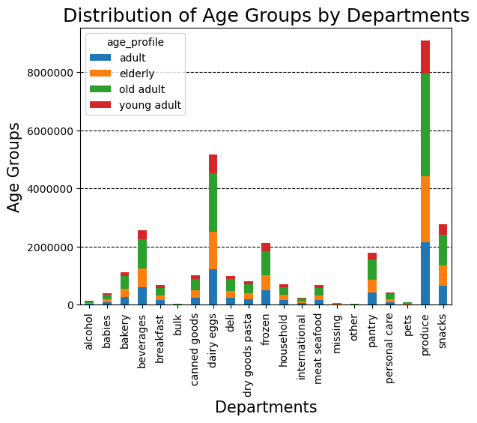
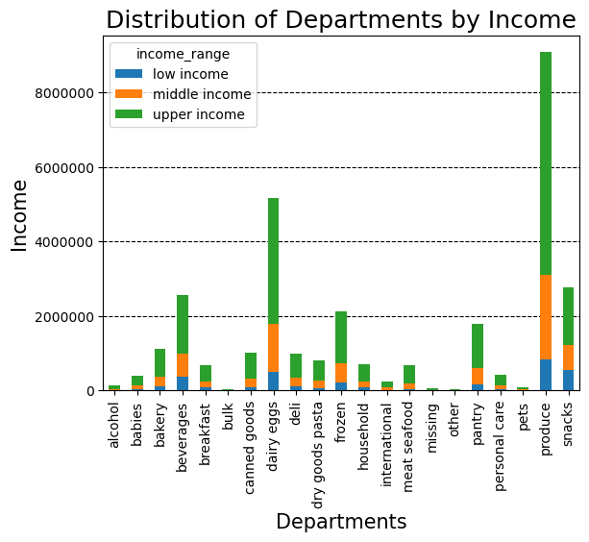
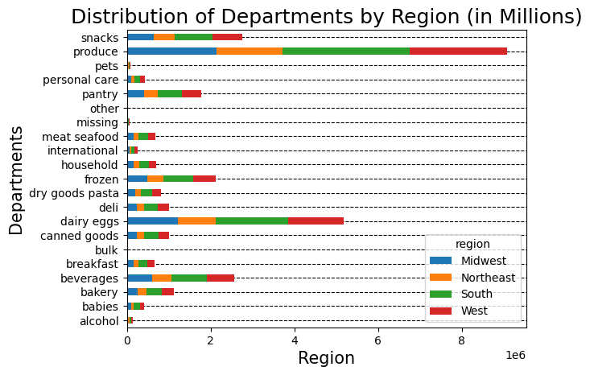

9. What differences are thee in ordering habits of different customer proflies?

Regular, married customers living in a household with 1-2 dependents in the age range 40-65 are account the highest purchase frequency (128290).
Regular, married customers in a household with 1-2 dependents in the age range >65 are account the second highest purchase frequency (82873).
Regular, married customers in a household with 1-2 dependents in the age range 25-40 are account the third highest purchase frequency (79026).
The heatmap which is shown suggests that the age is strongest difference between the top customer groups.
Customers acrros all age groups, family groups and households, are ordering the most of the time food & groceries and beverages & alcohol.
Married customers living in a household with 1-2 dependents in the age range 40-65 are account the highest purchase frequency within food & groceries (580258) and beverages & alcohol (286129) .
Married customers living in a household with 1-2 dependents in the age range >65 are account the second highest purchase frequency frequency within food & groceries (377212) and beverages & alcohol (186112) .
Married customers living in a household with 1-2 dependents in the age range 25-40 are account the third highest purchase frequency within food & groceries (348962) and beverages & alcohol (170307) .
The heatmap which is shown suggests that the age is strongest difference between the top customer groups.

There is not a big difference in ordering habits of different customers proflies considering the avg. order total.

7. Recommendations
 |  |  | Title page

Recommendations

 | Question | Answer
Key Question 1 | 1. What are the busiest days of the week and hours of the day? | The busiest days of the week are Sunday, Monday and Saturday. Considering the busiest hours of the day (between 10am and 4pm) as well, let me recommend that instacart should schedule ads for the times from 6 am to 8 am and 5 pm to 10 pm where customers place less orders on Wednesday and Thurday. Before 6 am and after 10 pm is not recommend, because of less traffic of customers due to their sleeping hours.

Key Question 2 | 2. What are particular times when people spend their money? | People spend the most money between between 10am and 4pm. The expenditure line graphs follows the busiest hours. This time frame will inform instacart the type of prodcuts they adervtise at these times.

Key Question 3 | 3. What are the most popular products? | The top 5 products are produce, dairy and eggs, snacks, beverages and frozen food. Therefore, Instacart should provide special offers on those categories to keep drawing customers' attention and activity. Instacart should also promote and provide discounts on poorly performing departments like prodcuts from the department bulk, pets and alcohol to increase the total revenue.

Key Question 4 | 4. What is the distribution among users in regards to their brand loyalty? | Loyal customer usually return after 8 days, whereas new customers (17 days) and regular customers (14 days) need almost twise as long. Instacart can untertake some special activities to support customers returing, e.g: 1: Offering a certain discount to customers who come back within 10 days on the next order. 2: Customers can earn points when they order certain prodcuts, in certain times frames. Then they can use this points on the total order price of their choice or buy products with point if enough collected. 3: Create special offer weekends, certain products are on discount but just during this time.

Key Question 5 | 5. Are there differences in ordering habits based on a customers loyalty status? | Looking closely indicates that there is a difference between count of order and loyal status (Regular = most, Loyaly = second most). Another indicator for that is that loyaly cutsomers have the lowest avg. total order price whereas regular customers the most. Recommendation: Considering the order habits during the day let recommend instacart keeps promoting especially the high range prodcuts in the evening (see key question 1) since they make the less of the revenue. In addition to gain more revenue due to promoting high range products as well. Promoting them every week more effectively can assure that regular customers (return 14 days) which place the most orders and loyal customers (return 8 days) which place the second most order can see the advertisements.

Key Question 6 | 6. Are there differences in ordering habits based on a customers region? | Customers based in the southern regions place the most order in general, followed by west and midwest. The prodcuts which are ordered amongst all regions follow the same pattern, mid. --> low --> high range prodcuts. Neither is there a big difference when looking at the avg. total order price. Recommendation: Considering the order habits during the day let recommend instacart keeps promoting especially the high range prodcuts in the evening (see key question 1) since they make the less of the revenue. In addition to gain more revenue due to promoting high range products as well across all regions. Customers living in the southern region could be rewared for the high spending habits by a lottery, where they can win small gift. Customers from the northeast on the other hand could be motivated by a friendship promotion campaign e.g: they could get a discout on products or collecting points when recruiting new customers. That could help to raise the total count of customers in this region, which leads to a higher revenue over time.

Key Question7 | 7. Is there a connection between age and family status in terms of ordering habits? | Elderly individuals who are divorced/widowed tend to spend more on orders, possibly for convenience instead of going to the supermarket themselves. Young adults who are living with parents and siblings or single are active in ordering and spending, likely due to lifestyle choices or convenience needs. Married customers, particularly adults and old adults, also show a strong ordering pattern, but ordering lower price products considering the avg. spending variable Overall, there is a clear relationship between age, family status, and ordering habits, reflecting lifestyle and life stage factors. Elderly customers, young adults, and married individuals seem to have distinct patterns, with younger people and married couples placing more frequent orders.

Key Question 8 | 8. What different classifications does the demographic information suggest? | Age classification: Observing the age group demographic reveals a clear relationship between age and the income group due to the growing experience on the job, which comes along with a higher salary. Older adults have the strongest spending capacity amongst all age groups. Looking at the other variables like, there seems to be no relationship between famliy status, order frequency and region. Income classification: Upper income individuals are the most prevalent in instacarts customer base. Married couples living in a middle housholed (1-2 dependents) account the strongest spending force of instacart customers. Interesting to see is that low spender individuals (orders below avg.purchase price of 10) are accounting 97% of the distribution in income ranges. That means, even so there is significant spending power, customers tend to buy cheaper products. Department classification: There is no difference in departments amongst region, household, age and income Recommendation: Summarizing the insides of all classifications suggest to target married adults and elderly customers in the middle income range to gain more revenue by focusing on prodcuts market suitable for these two classification to bridge between the spending capacity and actual expenditure.

Key Question 9 | 9. What differences are thee in ordering habits of different customer proflies? | The heatmap suggests that the age is strongest difference between the top customer groups. Recommendation: 1: Target Older Married Customers (40+): Since they account for the highest purchase frequency, particularly in Food & Groceries and Beverages & Alcohol, focus on marketing and promotions tailored to this group. Offering loyalty programs, subscription services, or discounts on frequently purchased items could enhance retention and spending. 2: Personalized Promotions by Age Group: Create age-specific promotions. For example, offer different bundles or deals for the 40-65 age group compared to younger customers, as their spending habits differ. 3: Cross-Sell Opportunities: As food and beverages are popular categories, explore opportunities for cross-selling related items (e.g., household & personal care products, ) to these high-spending customer groups. 4: Encourage Higher Spending in Younger Age Groups: The 25-40 age group has lower purchase frequency. Target them with personalized incentives, such as family-friendly offers or discounts on larger quantity purchases, to encourage more frequent buying behavior.

